HDMI
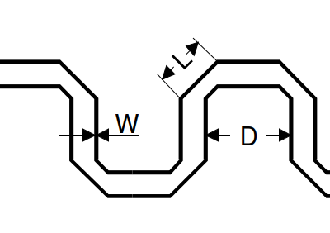
HDMI | MAX | Used | CALC
Skew within pair ( intra-pair) | 0.127 mm |  |  | 0.15 * Tbit
Skew between differnent pair (inter-pair) | 2.54 mm |  |  | 0.2 * Tchar
L/W | 3 : 5
D/L | 8 : 10

